Sheet1
Extra Resources for Codeup students
FONTS/ICONS |  | Where can I find help or ideas for fonts and icons?
Font Awesome | https://fontawesome.com/
Velvetyne Type Foundry | https://velvetyne.fr/
dribble | https://dribbble.com/tags/free_font
Lost Type Coop | http://www.losttype.com/browse/
Bootstrap Icons | https://icons.getbootstrap.com/
Toptal | https://www.toptal.com/designers/subtlepatterns/
Openmoji | https://openmoji.org/
Font Breif | https://www.fontbrief.com/
Font Joy | https://fontjoy.com/
The Noun Project | https://thenounproject.com/

ANIMATIONS |  | Where can I find resources on Animations?
Animista | https://animista.net/
Animate | https://animate.style/
three.js | https://threejs.org/

API'S |  | Where can I find help with APIs?
Flipsnack | https://www.flipsnack.com/
Public API's | https://github.com/public-apis/public-apis

CHROME EXTENTIONS |  | I need help with Chrome Extensions
Color Dropper | https://chrome.google.com/webstore/detail/color-dropper/cbagleaaaocejmdeichhdkmjebpljckh
Wireframify | https://chrome.google.com/webstore/detail/wireframify/denkephjglddepmhdlaaigjionglkdbb
WhatFont | https://chrome.google.com/webstore/detail/whatfont/jabopobgcpjmedljpbcaablpmlmfcogm
Lorem Ipsom Generator | https://chrome.google.com/webstore/detail/lorem-ipsum-generator-def/mcdcbjjoakogbcopinefncmkcamnfkdb

COLORS |  | Where can I find Color options and help?
Coolors | https://coolors.co/
Randoma11y | https://randoma11y.com/
CSS Color Names | https://colours.neilorangepeel.com/

HACKATHONS |  | Where can I find information about Hackathons?
Devpost | https://devpost.com/hackathons
Devfolio | https://devfolio.co/hackathons
Major League Hacking | https://mlh.io/seasons/2022/events

Vocabulary |  | Software Development Terms and Vocabulary
HTML / CSS Quizlet | https://quizlet.com/_avuivt?x=1jqt&i=471k4x
JavaScript Quizlet | https://quizlet.com/_b9nnzp?x=1jqt&i=471k4x
Java Quizlet | https://quizlet.com/_bo8q1h?x=1jqt&i=471k4x
MySQL Quizlet | https://quizlet.com/_bo8lz9?x=1jqt&i=471k4x

Deploy |  | Website Hosting
Netlifi | https://www.netlify.com/
Digital Ocean | https://www.digitalocean.com/

Tutorials |  | I need help! Where can I find Tutorials to brush up on concepts?
Guide to Coding | https://codeguide.co/#html-lang
Python Practice Basics | https://www.kaggle.com/ryanorsinger/101-exercises/
Vocabulary Review | https://quizlet.com/_avuivt?x=1jqt&i=471k4x
OOP Explained with Examples | https://riptutorial.com/oop/example/24468/introduction

Mock Technical Interview
Expertitra | https://expertmitra.com/
Interview Camp | https://interviewcamp.io/
Pramp | https://www.pramp.com/#/
Interview Cake | https://www.interviewcake.com/

Udemy June Discount Code: LPA_JUNE_2022 |  | I need to brush up on my.....
Foundational courses | Java Programming Masterclass | Java
 | JavaScript - The Complete Guide | JavaScript
 | UI and UX Web Design using Adobe XD | Selenium WebDriver
 | Selenium WebDriver with Java - Basics to Advanced (testing) | UI/UX
JavaScript Frameworks | Vue - The Complete Guide | Vue
 | React The Complete Guide | React
 | Angular 2020 Complete Guide | Angular
 | Angular and NodeJS - The MEAN stack guide | NodeJS
.NET | ASP.NET - The Complete MVC 5 Course | .NET
Native Mobile Application Development | React Native - Practical Guide | React Native
Other (Listed by priority) | WordPress Developer - PHP, JavaScript, WordPress theming & WP REST API | WordPress
 | Python Programming Masterclass | Python
 | Ruby on Rails - The Complete Guide | Ruby on Rails
 | Ruby on Rails 5 - Professional Developer

Books / Online books |  | Help - I have an interview!
Python | https://www.obeythetestinggoat.com/pages/book.html#toc | I want to read up on Python
Interview prep | Cracking the Code Interview

Projects |  | I need a project to work on and post to my GitHub
Pokemon Project | https://docs.google.com/document/d/1ql4Eh1SFZsTcQYmQ83bRToE-UOjSoQpBfDk3sQvB27A/edit

Official Codeup Videos |  | Where can I find popular lectures?
Marty Sixkiller | Building your Brand -- Coming soon! | Building my Brand
Jason Straughan | Imposter Syndrome -- Coming soon! | Imposter Syndrome and how to overcome it
Jason Straughan | The 5-1-2 -- Coming soon! | Jason's 5-1-2 Lecture

Algorithm Practice |  | Where can I find Algorithm Practice resources?
Hackerrank | https://www.hackerrank.com/
GeeksforGeeks | https://www.geeksforgeeks.org/fundamentals-of-algorithms/
LeetCode | https://leetcode.com/
Exercism | https://exercism.org/
CodeWars | https://www.codewars.com/
Hackerearch | https://www.hackerearth.com/for-developers/
Coderbyte | https://coderbyte.com/

Visual Studio Code |  | How to install VS Code when IntelliJ expires
VSC on MAC | https://www.loom.com/share/f659cf1183d349caa3c105f005896c0d | How to start using VS Code - practice projects
VSC on PC | https://www.loom.com/share/665ff650408a42e6bc3164d10e76893b
The Docs | https://code.visualstudio.com/docs
JS starter project | https://github.com/madmarcos-codeup/hello-world-js
Java starter project | https://github.com/madmarcos-codeup/hello-world-java

IntelliJ IDEA Ultimate For Individual Use |  | How can I renew my Intellij subscription after I graduate?
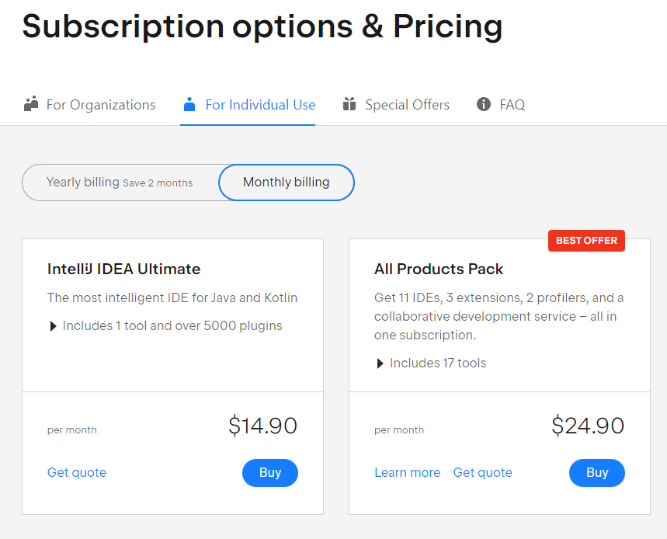
To renew your Intellij
subscription, click here:
Renewal Link

Note: We recommend not using
Intellij Community Edition as it
does not support JavaScript or
CSS.

Best apps to learn Code on the go! |  | What is a good app that I can use to practice code
SoloLearn iOS only | https://www.sololearn.com/home | while on a trip or away from my computer?
Mimo iOS and Android | https://getmimo.com/

